START HERE

 |  | REQUIREMENTS (REPOSITORY & INVENTORY)

 | BIZ PROCESS |  | UI |  | REPORTS | RULES | INTEGRATIONS
 | LEVEL1 |  | SCREEN |  | FORMAT | PROCESS | INV
 | LEVEL2 |  | DATA INV |  | REP INV | DMN
 | LEVEL3 |  | SAMPLE |  |  | INV

"Requirements visualization" is defined as a method that comprehends requirements represented by using diagrams or graphics. Its goal is to arouse consciousness and insights while transforming requirements to make developers assimilate easier.

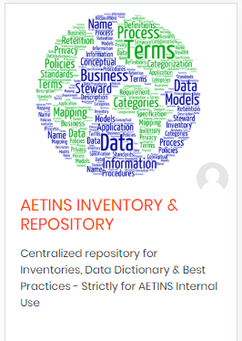
 |  |  |  | Course Owners
 |  |  |  | Senthil

PROCESS
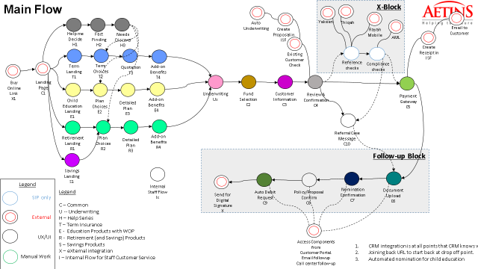
BUSINESS PROCESS

LANDING PAGE SCREEN
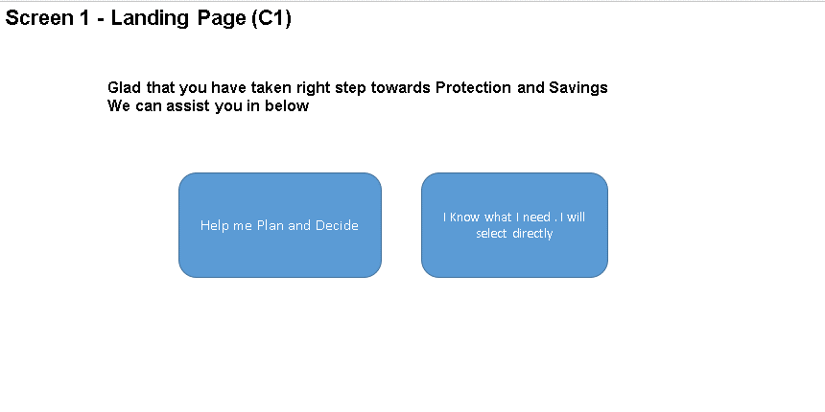
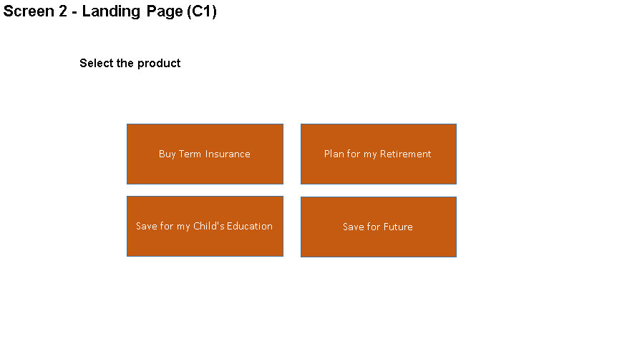

SCREEN (1)
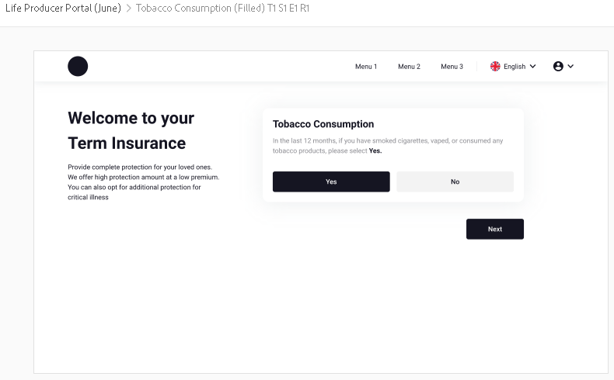
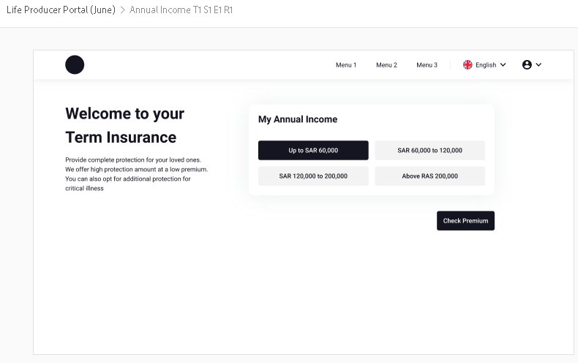
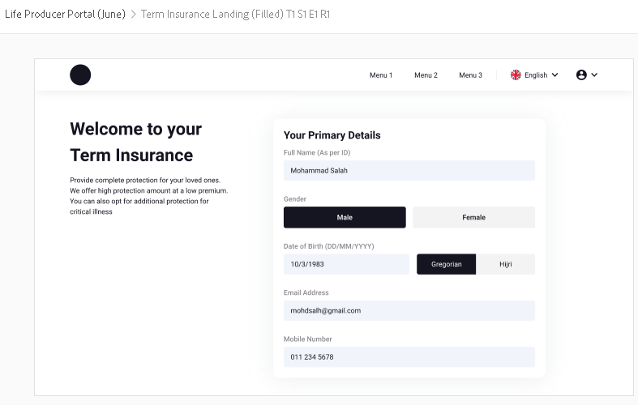
Add Currency Menu beside Language

SCREEN (2)
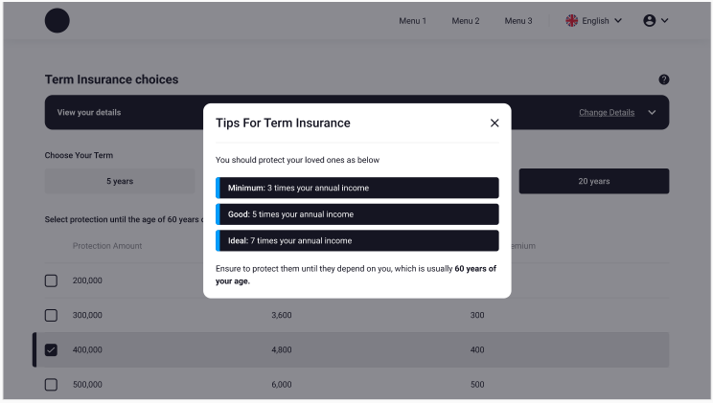
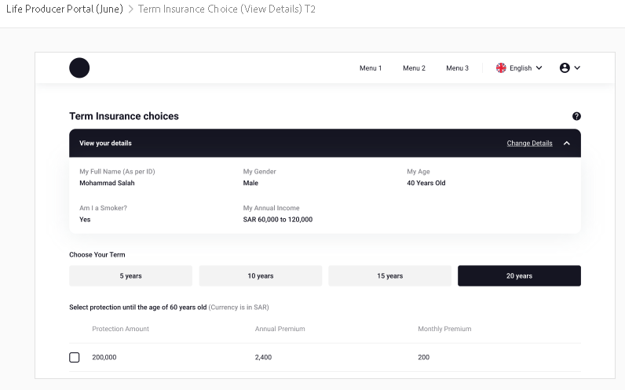
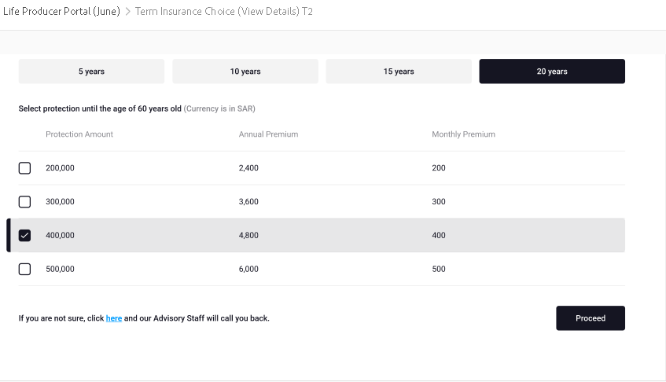

SCREEN (3)

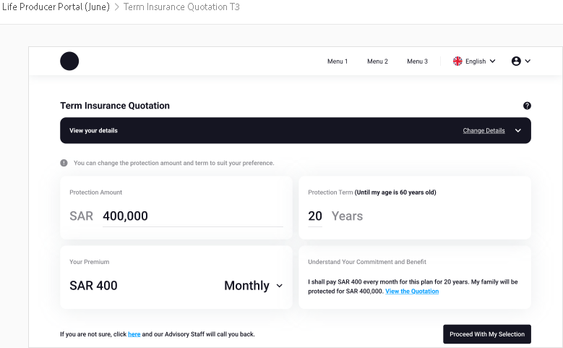

SCREEN (4)
